Лист1
Bug 001 | Incorrect name of the "Новости" button in the main page header when using Russian localization
Steps | 1. Go to https://litecart.stqa.ru/ru/
 | 2. Сlick on a button "Regional Settings"
 | 3.In a list "Language" select Russian
 | 4. Сlick on a button "Save"
Actual | On the main header of the page, the name of the button "?овости"
Expected | On the main header of the page, the name of the button "Новости"
Severity | Minor
Priority | Normal
Notes
Attachments | 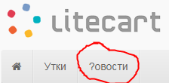
Bug 002 | The drop-down list "zone/state/Province" is inactive in window "Regional Settings"
Steps | 1. Go to https://litecart.stqa.ru/ru/
 | 2. Сlick on a button "Regional Settings"
Actual | 3. The "zone/state/Province" drop-down list in the "Regional Settings" window is inactive
Expected | 3. The "zone/state/Province" drop-down list in the "Regional Settings" window is active
Severity | Blocker
Priority | High
Notes
Attachments | 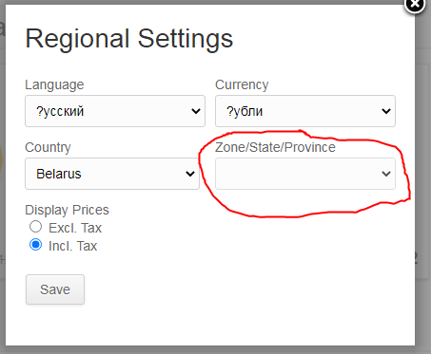
Bug 003 | Incorrect name of the Russian language in the "Regional Settings" window in the "Language" drop-down list
Steps | 1. Go to https://litecart.stqa.ru/ru/
 | 2. Сlick on a button "Regional Settings"
 | 3. Сlick on a drop-down list "Language"
Actual | Language name "?усский"
Expected | Language name "Русский"
Severity | Minor
Priority | Normal
Notes
Attachments | 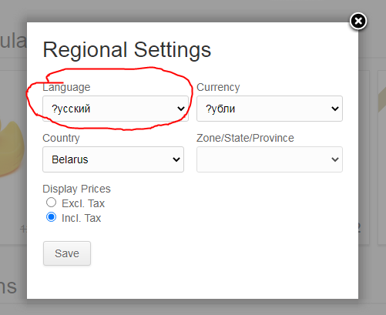
Bug 004 | Possibility to add a product that is not in stock to the cart
Steps | 1. Go to https://litecart.stqa.ru/ru/
 | 2. Click on a product "Green duck"
 | 3. Make sure that the product is out of stock ("Stock Status" field)
 | 4. Click on a button "Add to card"
Actual | The product was successfully added to the shopping car
Expected | Button "Add to card" is inactive
Severity | Major
Priority | High
Notes
Attachments | 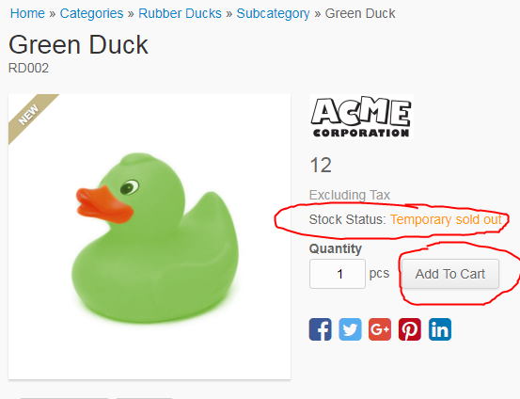
Bug 005 | Possibility to register a new user with invalid data in the "First name" field
Steps | 1. Go to https://litecart.stqa.ru/ru/
 | 2. Click on a link "New customers click here" in a block "Login"
 | 3. Enter the value "//////" in the "First name" field
 | 4. Enter valid data in the remaining fields
 | 5. Click on a button "Create account"
Actual | Registration completed successfully
Expected | The message "Enter valid data" in the "First name" field
Severity | Major
Priority | Asap
Notes
Attachments | 